Indices

 | Iraq Stock Exchange
 | Bulletin No (39)
 | ISX Trading Indices of Sunday 1/3/2026

 | Traded Volume and OTC |  | 560,879,568 |  | Traded Value and OTC |  | 1,412,508,670 |  | Traders | 1138
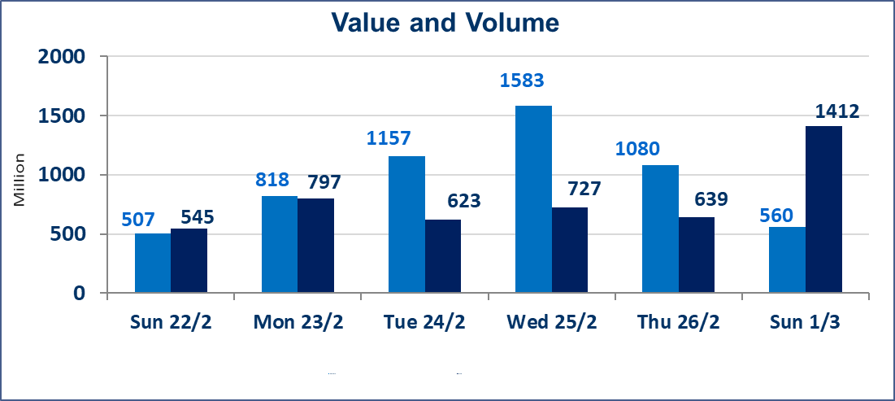
 | ISX Index 60 |  |  | 950.25 | ISX Index 15 |  |  | 1209.80
 | Previous ISX Index60 |  |  | 963.44 | Previous ISX Index15 |  |  | 1222.45
 | Change % |  |  | -1.37 | Change % |  |  | -1.03
 | Change |  |  | -13.19 | Change |  |  | -12.65

 | Listed Companies | 104 | OTC | 14 | Non Traded listed | 47 | OTC | 14
 | Traded Listed Companies | 47 | OTC | 0 | Higher Companies |  |  | 4
 | GAM Companies |  |  | 0 | Lower Companies |  |  | 32
 | Suspended Companies |  |  | 10
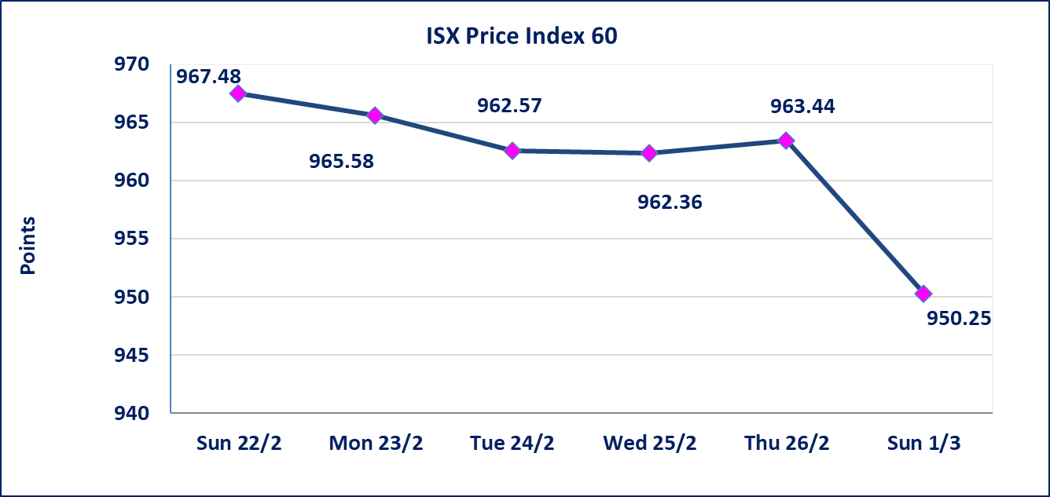
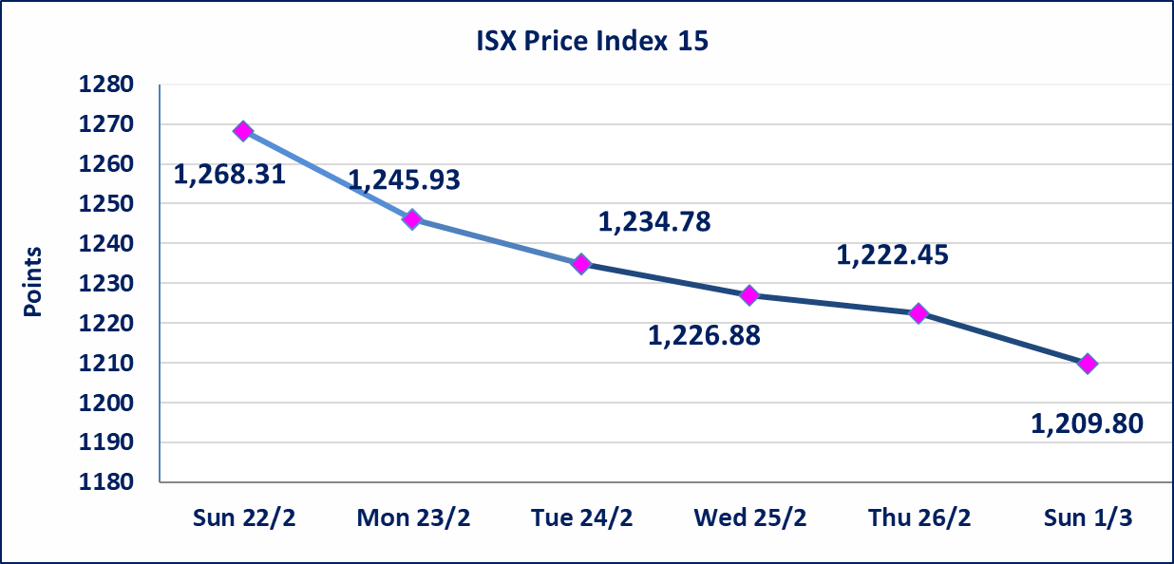

Al-Alwiya P.O . 3607 Mobile: 07711211522 - 07270094594 - 07834000034 E-mail: info-isx@isx-iq.net Web site:www.isx-iq.net

Top 5
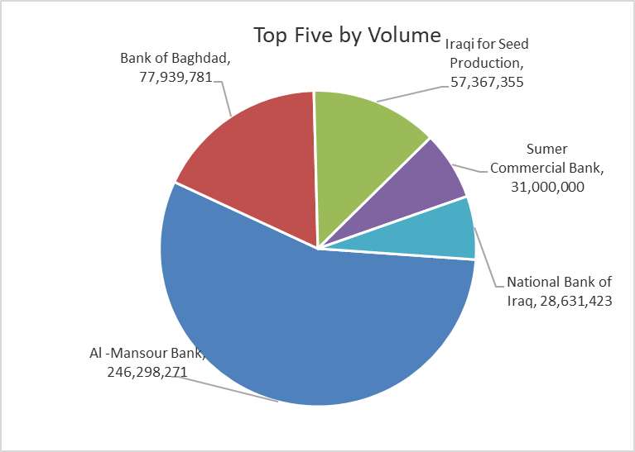
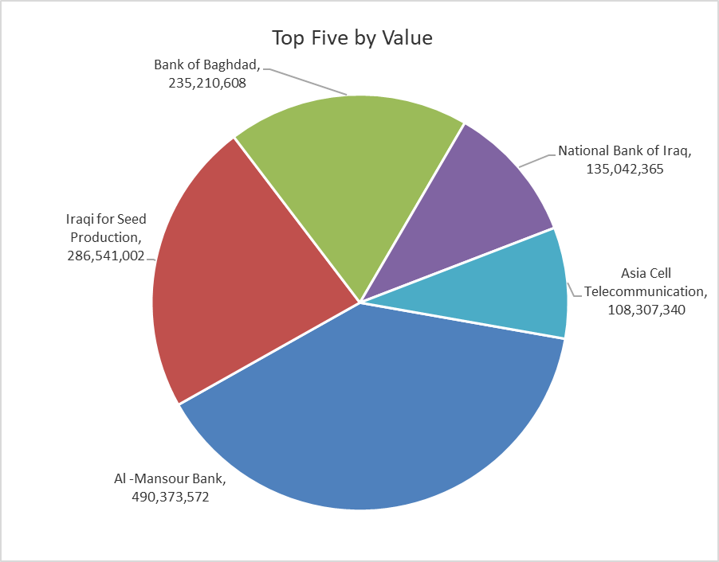

ISX top ganing and losing companies
Sunday 1/3/2026
 | Gainers |  |  |  | Losers
 | Company Name | Closing Price | Change (%) | Traded Volume | Company Name | Closing Price | Change (%) | Traded Volume
 | Iraqi Carton Manufactories | 2.260 | 4.63 | 262,136 | Sumer Commercial Bank | 0.130 | -7.14 | 31,000,000
 | Al-Ameen for Insurance | 0.980 | 3.16 | 68,750 | Baghdad -Iraq Transportation | 22.310 | -4.98 | 685,266
 | Babil Animal & Vegetable Production | 6.700 | 3.08 | 97,956 | Modern Construction Materials | 1.190 | -4.80 | 271,269
 | National Islamic Bank | 0.720 | 2.86 | 5,000 | Economy Bank | 0.210 | -4.55 | 5,567,775
 |  |  |  |  | Ashur International Bank | 0.230 | -4.17 | 25,250,000
 | The most active companies in term of traded volume and value

 | Traded Volume |  |  |  | Traded Value
 | Company Name | Closing Price | Change (%) | Traded Volume | Company Name | Closing Price | Change (%) | Traded Value
 | Al -Mansour Bank | 2.000 | -2.44 | 246,298,271 | Al -Mansour Bank | 2.000 | -2.44 | 490,373,572
 | Bank of Baghdad | 3.070 | -1.29 | 77,939,781 | Iraqi for Seed Production | 4.940 | -1.00 | 286,541,002
 | Iraqi for Seed Production | 4.940 | -1.00 | 57,367,355 | Bank of Baghdad | 3.070 | -1.29 | 235,210,608
 | Sumer Commercial Bank | 0.130 | -7.14 | 31,000,000 | National Bank of Iraq | 4.750 | -1.04 | 135,042,365
 | National Bank of Iraq | 4.750 | -1.04 | 28,631,423 | Asia Cell Telecommunication | 14.690 | -1.41 | 108,307,340

Not Trading Bonds

Iraq Stock Exchange
Sunday 1/3/2026
Not Trading Bonds Bulletin
Bond type | Publish type | Code | last trading price | immortilize date
Banaa Bonds /Million ID | Second | CB20 | 964,981 | 19/12/2025
Eamar Bonds /Million ID | First | CB30 | 1,001,095 | ــــــــــــــــ
Eamar Bonds /Million ID | Second | CB40 | ــــــــــــــــ | ــــــــــــــــ
Eamar Bonds /500 Thousand ID | Third | CB45 | ــــــــــــــــ | ــــــــــــــــ
Eamar Bonds /Million ID | Third | CB50 | ــــــــــــــــ | ــــــــــــــــ
Injaz Bonds /500 Thousand ID | First | CB55 | ــــــــــــــــ | ــــــــــــــــ
Injaz Bonds /Million ID | First | CB60 | ــــــــــــــــ | ــــــــــــــــ
Injaz Bonds /500 Thousand ID | Second | CB65 | 502,671 | ــــــــــــــــ
Injaz Bonds /Million ID | Second | CB70 | 1,026,082 | ــــــــــــــــ
Injaz Bonds /500 Thousand ID | Third | CB75 | ــــــــــــــــ | ــــــــــــــــ
Injaz Bonds /Million ID | Third | CB80 | 978,182 | ــــــــــــــــ
National Bonds/Million ID | First | CB90 | ــــــــــــــــ | ــــــــــــــــ
National Bonds/500 Thousand ID | Second | CB95 | ــــــــــــــــ | ــــــــــــــــ
National Bonds/Million ID | Second | CB100 | ــــــــــــــــ | ــــــــــــــــ

